TECHNICAL SHEET OUTER JKT
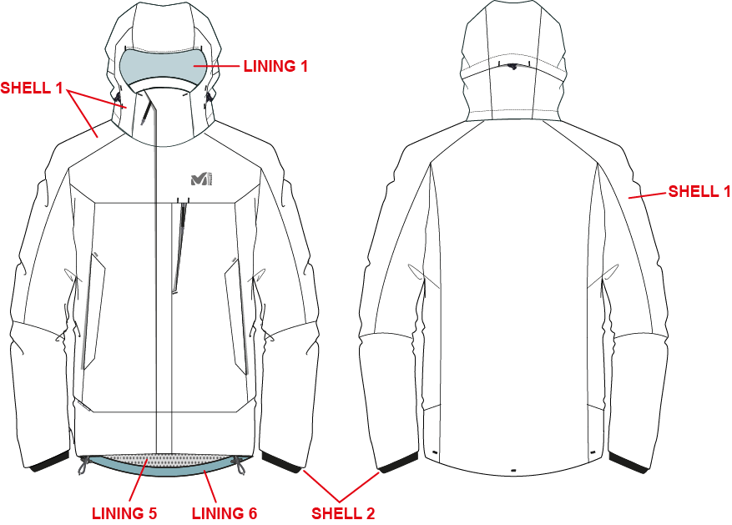
 |  | TECHNICAL SHEET GARMENT | FALL WINTER 19/20
MIV8620 |  | POBEDA II 3 IN 1 JKT M | DEVELOPPER | FRANÇOISE
INDEX | 1 |  | PRODUCT MANAGER | CAMILLE
DATE | 2018-04-24

TECHNICAL SHEET INNER GARMENT
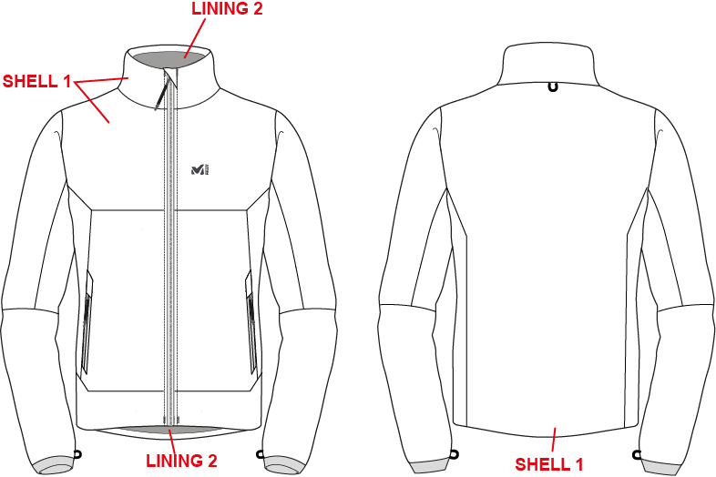
 |  | TECHNICAL SHEET GARMENT | FALL WINTER 19/20
MIV8620 |  | POBEDA II 3 IN 1 JKT M | DEVELOPPER | FRANÇOISE
INDEX | 1 |  | PRODUCT MANAGER | CAMILLE
DATE | 2018-04-24

MARKING § TRIMS OUTER JKT
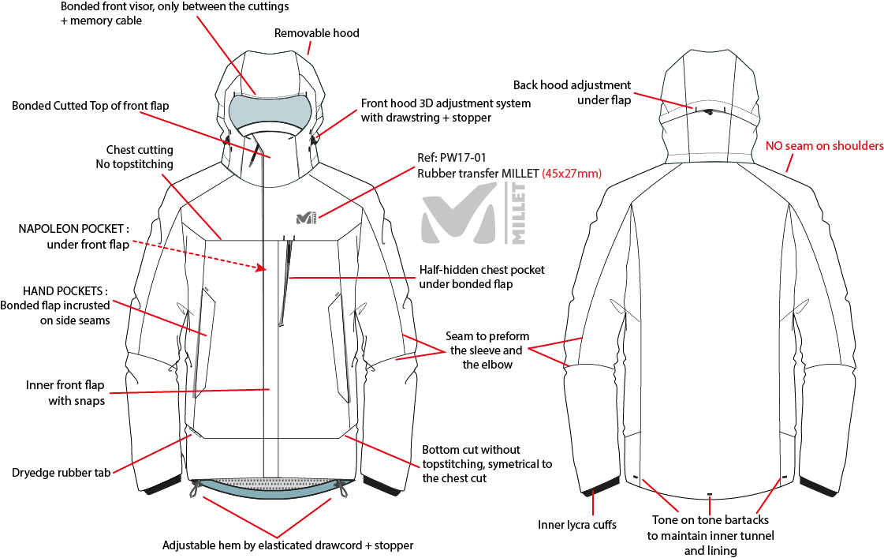
 |  | MARKING AND TRIMS - OUTER JKT | FALL WINTER 19/20
MIV8620 |  | POBEDA II 3 IN 1 JKT M | DEVELOPPER | FRANÇOISE
INDEX | 1 |  | PRODUCT MANAGER | CAMILLE
DATE | 2018-04-24

MARKING § TRIMS INNER JKT
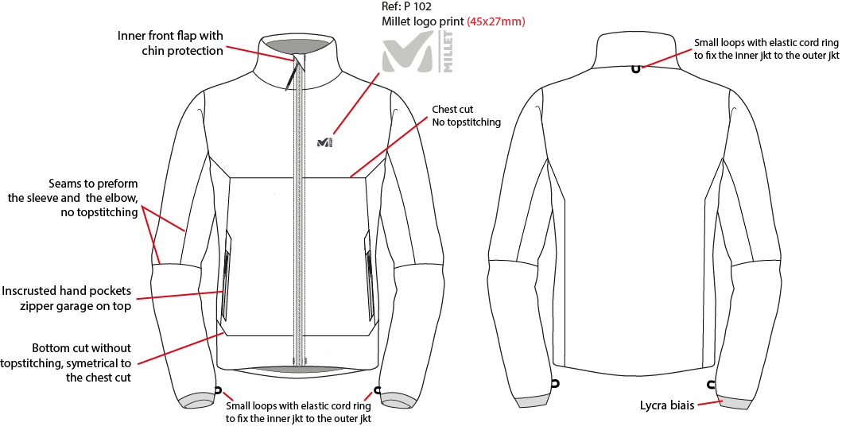
 |  | MARKING AND TRIMS - INNER JKT | FALL WINTER 19/20
MIV8620 |  | POBEDA II 3 IN 1 JKT M | DEVELOPPER | FRANÇOISE
INDEX | 1 |  | PRODUCT MANAGER | CAMILLE
DATE | 2018-04-24

DESIGN DETAIL
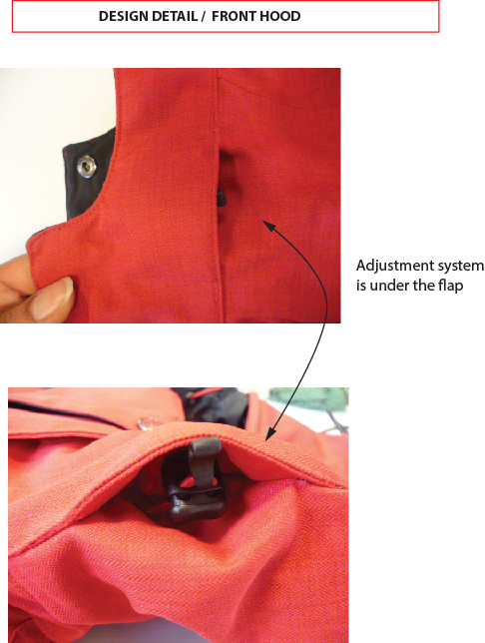
 |  | DESIGN DETAIL | FALL WINTER 19/20
MIV8620 |  | POBEDA II 3 IN 1 JKT M | DEVELOPPER | FRANÇOISE
INDEX | 1 |  | PRODUCT MANAGER | CAMILLE
DATE | 2018-04-24

LINING OUTER JKT
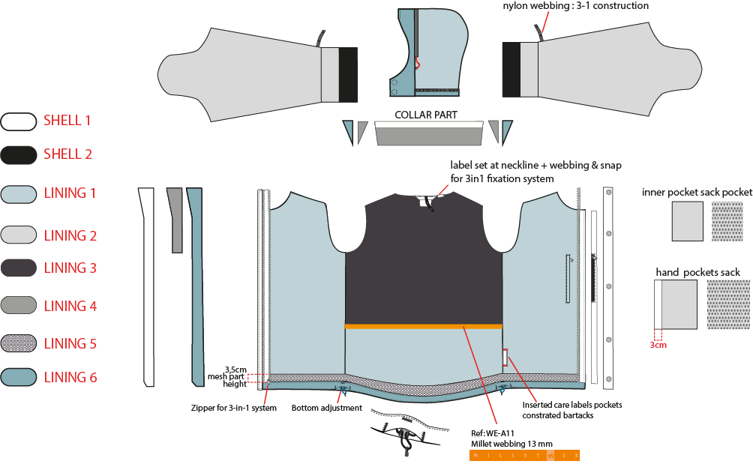
 |  | LINING OUTER | FALL WINTER 19/20
MIV8620 |  | POBEDA II 3 IN 1 JKT M | DEVELOPPER | FRANÇOISE
INDEX | 1 |  | PRODUCT MANAGER | CAMILLE
DATE | 2018-04-24

LINING INNER JKT
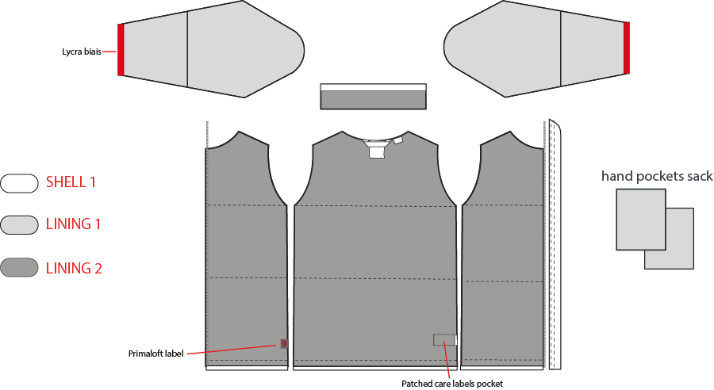
 |  | LINING INNER | FALL WINTER 19/20
MIV8620 |  | POBEDA II 3 IN 1 JKT M | DEVELOPPER | FRANÇOISE
INDEX | 1 |  | PRODUCT MANAGER | CAMILLE
DATE | 2018-04-24

COLOR COMBINATION ALPHA
 |  | COLOR COMBINATION |  |  |  |  |  |  |  |  | FALL WINTER 19/20
MIV8620 |  | POBEDA II 3 IN 1 JKT M |  |  |  |  |  |  |  |  | DEVELOPPER |  |  | FRANÇOISE
INDEX | 1 |  |  |  |  |  |  |  |  |  | PRODUCT MANAGER |  |  | CAMILLE
DATE | 2018-04-24
FABRICS // OUTER JKT |  |  |  |  |  |  |  |  | WEIGHT (PRODUCT FINISH) M SIZE |  | ...g
DESCRIPTION |  |  |  | DESIGNATION |  | COLOUR 1 | COLOUR 2 | COLOUR 3 | COLOUR 4 | COLOUR 5 | XS | S | M | L | XL | XXL
LIBOLON // DRYEDGE HEATHER DOTS 2L / 06302 10K/10K |  |  |  | SHELL 1 - VERSION 1
FLYING TEX // NEW DRYEDGE CANVAS 2LS / PFD0100Z07 |  |  |  | SHELL 1 - VERSION 2
LOCAL // LYCRA MICROFIBER FABRIC |  |  |  | SHELL 2 - INNER LYCRA CUFFS
FLYING TEXTILE // ULTRALIGHT DOWNPROOF / FY14035-2 |  |  |  | LINING 1 - BODY + HOOD
LOCAL // NYLON 210T / NON COATED |  |  |  | LINING 2 - NAPOLEON & INNER POCKETS SACK + HAND POCKET SACK + SLEEVES |  | BLACK | BLACK | BLACK | BLACK | BLACK
ASIA FIT // BRUSHED MESH PES / AM1050 |  |  |  | LINING 3 - UPPER BACK |  | BLACK | BLACK | BLACK | BLACK | BLACK
ASIA FIT // BRUSHED TRICOT / AM1378 |  |  |  | LINING 4 - COLLAR & CHIN PROTECTIONS |  | BLACK | BLACK | BLACK | BLACK | BLACK
ASIA FIT // PES MESH 2x2 / AM493 |  |  |  | LINING 5 - NAPOLEON & HAND POCKET SACK + BOTTOM HEM |  | BLACK | BLACK | BLACK | BLACK | BLACK
ASIA FIT // NYLON / FJ#118 |  |  |  | LINING 6 - BOTTOM HEM + HOOD HEM + FRONT FLAP |  | BLACK | BLACK | BLACK | BLACK | BLACK
FABRICS // INNER JKT
DESCRIPTION |  |  |  | DESIGNATION |  | COLOUR 1 | COLOUR 2 | COLOUR 3 | COLOUR 4 | COLOUR 5 | XS | S | M | L | XL | XXL
BRISTEX // HEATHER LINING / BX-COMMON-QL-BC PU COATING TYPE |  |  |  | SHELL 1 - VERSION 1
PERTEX // PERTEX SQUARE / PRP511-NFC |  |  |  | SHELL 1 - VERSION 2
LOCAL // NYLON 210T / NON COATED |  |  |  | LINING 1 - SLEEVES + HAND POCKETS SACKS |  | BLACK | BLACK | BLACK | BLACK | BLACK
ASIA FIT // BRUSHED TRICOT / AM1378 |  |  |  | LINING 2 - INNER JKT + INNER COLLAR |  | BLACK | BLACK | BLACK | BLACK | BLACK
PRIMALOFT // BLACK INSULATION 100Gr // #I-30001 100GR |  |  |  | INSULATION INNER JKT |  | WHITE | WHITE | WHITE | WHITE | WHITE
TRIMS AND ACCESSORIES // OUTER JKT
DESCRIPTION |  | WIDTH | SUPPLIER | DESIGNATION | QTY | COLOUR 1 | COLOUR 2 | COLOUR 3 | COLOUR 4 | COLOUR 5 | XS | S | M | L | XL | XXL
YKK VISLON ZIPPER #5mm TWO-WAY SEPARATOR (M) SLIDERS #DALH |  | #5 | YKK | FRONT ZIP | 1 |  |  |  |  |  | 72 cm | 74 cm | 74cm | 74 cm | 76 cm | 78cm
YKK VISLON ZIPPER #4 OPEN END - 1 WAY REVERSIBLE SLIDERS #DU |  | #4 | YKK | INNER ZIP FOR CONSTRUCTION 3 IN 1 | 1 |  |  |  |  |  | 68 cm | 70 cm | 70cm | 70 cm | 72 cm | 74cm
YKK REVERSE ZIPPER #3mm Closed End - 1 way Slider #DFBW |  | #3 | YKK | HAND POCKETS | 2 |  |  |  |  |  | 18cm | 20cm | 20cm | 20cm | 22cm | 22cm
YKK W/R REVERSE ZIPPER #5mm Closed End - 1 way SLIDER #DFBW |  | #5 | YKK | CHEST POCKET | 1 |  |  |  |  |  | 17cm | 17cm | 17cm | 18cm | 18cm | 18cm
YKK REVERSE zipper #3 Close-end, 1 way SLIDER #DFBW |  | #3 | YKK | NAPOLEON POCKET > UNDER CENTER FRONT FLAP | 1 |  |  |  |  |  | 18cm
YKK REVERSE zipper #3 Close-end, 1 way SLIDER #DFBW |  | #3 | YKK | INNER POCKET | 1 |  |  |  |  |  | 18cm
YKK COIL ZIPPER #5mm Open End - 1 way AUTOLOCK SLIDER #DA |  | #5 | YKK | REMOVABLE HOOD | 1 |  |  |  |  |  | 26cm | 27cm | 28cm | 29cm | 30cm | 31cm
 |  |  | DRAGON TIMES | FRONT ZIP + HAND POCKETS + CHEST POCKET | 4
HIDDEN SNAP |  | Ø 12,5mm | LOCAL | At Front hood under flap - connexion hood/collar & INSIDE CENTER FRONT FLAP | 9 | METAL SILVER | METAL SILVER | METAL SILVER | METAL SILVER | METAL SILVER
 |  | 18x17mm | UNITEX | FRONT HOOD ADJUSTMENT | 2
 |  | Ø 2,8mm | YF |  | 2
 |  | 15x6mm | UNITEX |  | 2
 |  | 8mm height | YF |  | 2
 |  |  | UNITEX |  | 4
 |  | 18x17mm | UNITEX | BACK HOOD ADJUSTMENT | 1
 |  | Ø 2,8mm | YF |  | 1
 |  | 15x6mm | UNITEX |  | 1
 |  | 8mm height | YF |  | 1
 |  | Ø 9mm | UNITEX |  | 2
 |  |  | UNITEX | BOTTOM ADJUSTMENT | 2
 |  | Ø 2,8mm | YF |  | 1
 |  |  | UNITEX |  | 2
 |  |  | YF |  | 2
 |  | 60x12mm | LOCAL | FOR 3 in 1 SYSTEM : COLLAR AND BOTTOM OF SLEEVES | 3 | BLACK | BLACK | BLACK | BLACK | BLACK
 |  | 13mm height | YF ZIPPER | INNER BACK | 1
VELCRO NO SNAGGING ROUNDED hook #ETN-721 |  | 1cm | LOCAL | Front hood under flap - connexion hood/collar | 1 | TONE ON TONE | TONE ON TONE | TONE ON TONE | TONE ON TONE | TONE ON TONE | 2cm
VELCRO NO SNAGGING ROUNDED pile #N10576 |  | 1cm | LOCAL | Front hood under flap - connexion hood/collar | 2 | TONE ON TONE | TONE ON TONE | TONE ON TONE | TONE ON TONE | TONE ON TONE | 2cm
VELCRO NO SNAGGING ROUNDED pile #N10576 |  | 1cm | LOCAL | Back Hood/collar- under flap | 1 | TONE ON TONE | TONE ON TONE | TONE ON TONE | TONE ON TONE | TONE ON TONE | 4cm
VELCRO NO SNAGGING ROUNDED hook #ETN-721 |  | 1cm | LOCAL | Back Hood/collar- under flap | 2 | TONE ON TONE | TONE ON TONE | TONE ON TONE | TONE ON TONE | TONE ON TONE | 4cm
MEMORY CABLE CORD |  |  | LOCAL | VISOR EDGE | 1 | TRANSPARENT | TRANSPARENT | TRANSPARENT | TRANSPARENT | TRANSPARENT
TOPSTITCHING |  |  | LOCAL | CUFF TABS |  | TONE ON TONE | TONE ON TONE | TONE ON TONE | TONE ON TONE | TONE ON TONE
TRIMS AND ACCESSORIES // INNER JKT
DESCRIPTION |  | WIDTH | SUPPLIER | DESIGNATION | QTY | COLOUR 1 | COLOUR 2 | COLOUR 3 | COLOUR 4 | COLOUR 5 | XS | S | M | L | XL | XXL
YKK VISLON ZIPPER #4 OPEN END - 1 WAY REVERSIBLE SLIDERS #DU |  | #3 | YKK | FRONT ZIP | 1 |  |  |  |  |  | 68 cm | 70 cm | 70cm | 70 cm | 72 cm | 74cm
YKK REVERSE ZIPPER #3mm Closed End - 1 way Slider #DFBW |  | #3 | YKK | HAND POCKETS | 2 |  |  |  |  |  | 16cm | 18cm | 18cm | 20cm | 20cm | 22cm
 |  |  | DRAGON TIMES | FRONT ZIP | 1
 |  | 2x10mm | WILSON GARMENT ACCESSORIES | CUFFS | 2
 |  | Ø 2,8mm | YF | FOR 3 in 1 SYSTEM : COLLAR AND BOTTOM OF SLEEVES | 3
MARKING OUTER JACKET
DESCRIPTION |  | WIDTH | SUPPLIER | DESIGNATION | QTY | COLOUR 1 | COLOUR 2 | COLOUR 3 | COLOUR 4 | COLOUR 5 | XS | S | M | L | XL | XXL
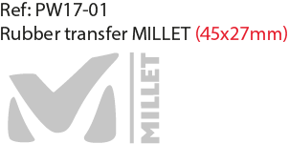 |  | 45x27mm | CLOTEX | LOGO ON LEFT SIDE OF CHEST | 1
 |  | 25mm | DRAGON TIMES | RUBBER TAB > RIGHT FRONT BOTTOM CUT | 1 | STANDARD | STANDARD | STANDARD | STANDARD | STANDARD
MARKING INNER JACKET
DESCRIPTION |  | WIDTH | SUPPLIER | DESIGNATION | QTY | COLOUR 1 | COLOUR 2 | COLOUR 3 | COLOUR 4 | COLOUR 5 | XS | S | M | L | XL | XXL
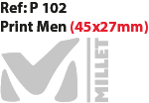 |  | 45x27mm | LOCAL | LOGO ON LEFT SIDE OF CHEST | 1 | TARMAC | TARMAC | TARMAC | TARMAC | NOIR
 |  | 25mm | PERTEX | RIGHT BOTTOM | 1 | ACIER 16-0000 TPX | ACIER 16-0000 TPX | ACIER 16-0000 TPX | ACIER 16-0000 TPX | ACIER 16-0000 TPX
 |  | 18x19mm | PRIMALOFT | INNER RIGHT SIDE SEAM | 1 | STANDARD | STANDARD | STANDARD | STANDARD | STANDARD
LABELS AND HANG TAG OUTER JKT
DESCRIPTION |  | SUPPLIER | REFERENCE | DESIGNATION | QTY | COLOUR 1 | COLOUR 2 | COLOUR 3 | COLOUR 4 | COLOUR 5 | XS | S | M | L | XL | XXL
 |  | SML |  | Neckline : Outer and inner JKT | 2 | STANDARD | STANDARD | STANDARD | STANDARD | STANDARD
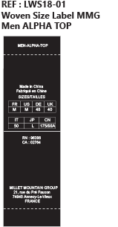 |  | SML |  | Neckline : Outer and inner JKT | 2 | STANDARD | STANDARD | STANDARD | STANDARD | STANDARD
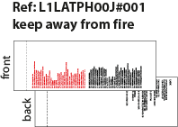 |  | SML |  | Inner front : Outer and inner JKT | 2 | STANDARD | STANDARD | STANDARD | STANDARD | STANDARD
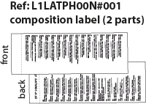 |  | SML |  | Inner front : Outer and inner JKT | 2 | STANDARD | STANDARD | STANDARD | STANDARD | STANDARD
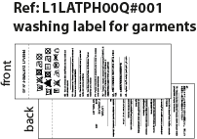 |  | SML |  | Inner front : Outer and inner JKT | 2 | STANDARD | STANDARD | STANDARD | STANDARD | STANDARD
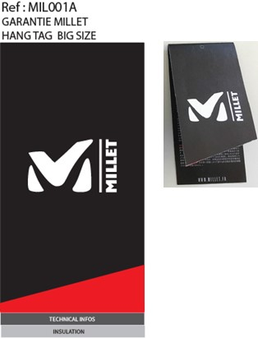 |  | TRIPLE STAR |  | MILLET WARRANTY HANGTAG BIG SIZE FIRST HANGTAG, BEFORE SUPPLIER HANGTAG | 1 | STANDARD | STANDARD | STANDARD | STANDARD | STANDARD
 |  | TRIPLE STAR |  | INSERT HANGTAG > 1ST POSITION INSIDE MAIN HANGTAG COMMITMENT HANGTAG BIG SIZE | 1 | STANDARD | STANDARD | STANDARD | STANDARD | STANDARD
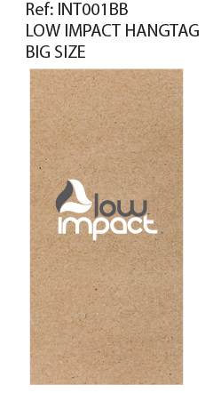 |  | TRIPLE STAR |  | INSERT HANGTAG > 2ND POSITION INSIDE MAIN HANGTAG LOW IMPACT HANGTAG BIG SIZE | 1 | STANDARD | STANDARD | STANDARD | STANDARD | STANDARD
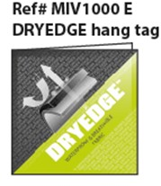 |  | TRIPLE STAR |  | FABRIC HANGTAG | 1 | STANDARD | STANDARD | STANDARD | STANDARD | STANDARD
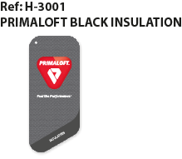 |  | Primaloft |  | PRIMALOFT BLACK INSULATION HANG TAG | 1 | STANDARD | STANDARD | STANDARD | STANDARD | STANDARD
 |  | LOCAL |  | TO FIX ALL HANGTAGS | 2 | BLACK | BLACK | BLACK | BLACK | BLACK
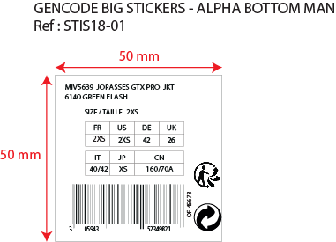 |  | LOCAL |  | ON MAIN HANGTAG AND ON POLYBAG | 2 | STANDARD | STANDARD | STANDARD | STANDARD | STANDARD
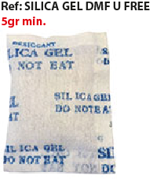 |  | LOCAL |  | INSIDE EACH POLYBAG | 1 | STANDARD | STANDARD | STANDARD | STANDARD | STANDARD

MARKING
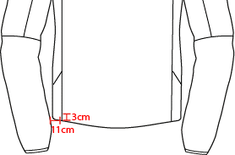
 |  | MARKING |  | FALL WINTER 19/20
MIV8620 |  | POBEDA II 3 IN 1 JKT M |  | DEVELOPPER | FRANÇOISE
INDEX | 1 |  |  | PRODUCT MANAGER | CAMILLE
DATE | 2018-04-24
DESIGNATION |  |  | POSITION
OUTER SHELL

OUTER SHELL

INNER SHELL

INNER SHELL

MEN JKT COUNTER SAMPLE
 |  |  | COUNTER SAMPLE |  |  |  |  |  |  |  | FALL WINTER 19/20
MIV8620 |  |  | POBEDA II 3 IN 1 JKT M |  |  |  |  |  |  |  | DEVELOPPER |  | FRANÇOISE
 | INDEX | 1 |  |  |  |  |  |  |  |  | PRODUCT MANAGER |  | CAMILLE
 | DATE | 2018-04-24

 |  | MEASUREMENTS TAKEN ON FINISH PRODUCT

 | MEASUREMENTS IN CM OUTER JACKET |  |  | ALLOWANCES | Measures to follow for making 1st c/s SIZE M | 1st counter sample size M received the : | Comments asked the : | 2nd counter sample size M received the : | Comments asked the : | SALESMAN SAMPLE | Comments asked : | RECTIFY SAMPLE | Comments asked :
 | FRONT JACKET MEASUREMENTS (IN CM) OUTER JACKET
 | C | 1/2 CHEST ROUND |  | +/- 1 cm | 61
 | D | 1/2 WAIST ROUND AT 44 CM FROM HSP |  | +/- 1 cm | 57.5
 | IA | 1/2 BOTTOM RELAXED ROUND |  | +/- 1 cm | 58
 | JB | CENTER FRONT LENGTH |  | +/- 1 cm | 74
 | LA | 1/2 UPPER ARM WIDTH |  | +/- 0,5 cm | 26
 | LB | 1/2 ELBOW WIDTH AT 30 CM FROM SLEEVE-END |  | +/- 0,5 cm | 19.5
 | LC | 1/2 CUFF WIDTH |  | +/- 0,5 cm | 13
 | N | TOTAL SLEEVE LENGTH |  | +/- 1 cm | 83.5
 | BACK JACKET MEASUREMENTS (IN CM) OUTER JACKET
 | S | CENTER BACK LENGTH |  | +/- 1 cm | 76
 | LYCRA CUFF MEASUREMENTS (IN CM) OUTER JACKET
 | MA | 1/2 LYCRA CUFF WIDTH |  | +/- 0,5 cm | 9.7
 | MC | TOTAL INNER CUFF LENGTH |  | +/- 1 cm | 9.7
 | MB | TOTAL INNER BOTTOM SLEEVE-END |  | +/- 0,5 cm | 9
 | COLLAR MEASUREMENTS (IN CM) OUTER JACKET
 | UB1 | INNER NECKLINE LENGTH |  | +/- 1 cm | 57
 | UB2 | COLLAR LENGTH AT THE TOP EDGE |  | +/- 1 cm | 58
 | UC1 | COLLAR HEIGHT AT CENTER BACK |  | +/- 0,5 cm | 11.5
 | UC3 | COLLAR HEIGHT AT MIDDLE FRONT |  | +/- 0,5 cm | 9
 | HOOD MEASUREMENTS (IN CM) OUTER JACKET
 | VA | HOOD LENGTH |  | +/- 1 cm | 50
 | VB | 1/2 CENTER HOOD WIDTH |  | +/- 0,5 cm | 25
 | VHA | 1/2 CENTER HOOD HEIGHT RELAXED |  | +/- 0,5 cm | 35

 | MEASUREMENTS IN CM INNER JACKET |  |  | ALLOWANCES | Measures to follow for making 1st c/s SIZE M | 1st counter sample size M received the : | Comments asked the : | 2nd counter sample size M received the : | Comments asked the : | SALESMAN SAMPLE | Comments asked the : | RECTIFY SAMPLE | Comments asked :
 | FRONT JACKET MEASUREMENTS (IN CM) INNER JACKET
 | B | FRONT BREADTH AT 15CM FROM HSP |  | +/- 0,5 cm | 44
 | C | 1/2 CHEST ROUND |  | +/- 1 cm | 60
 | D | 1/2 WAIST ROUND AT 44 CM FROM HSP |  | +/- 1 cm | 56
 | IA | 1/2 BOTTOM RELAXED ROUND |  | +/- 1 cm | 55.5
 | JB | CENTER FRONT LENGTH |  | +/- 1 cm | 70
 | KA | SHOULDER LENGTH |  | +/- 0,5 cm | 15
 | LA | 1/2 UPPER ARM WIDTH |  | +/- 0,5 cm | 25
 | LB | 1/2 ELBOW WIDTH AT 30 CM FROM SLEEVE-END |  | +/- 0,5 cm | 19
 | LC | 1/2 CUFF WIDTH |  | +/- 0,5 cm | 10.5
 | LC' | 1/2 CUFF WIDTH STRETCHED |  | +/- 0,5 cm | 15
 | N | TOTAL SLEEVE LENGTH |  | +/- 1 cm | 82
 | BACK JACKET MEASUREMENTS (IN CM) INNER JACKET
 | R | BACK BREADTH AT 15CM FROM HSP |  | +/- 0,5 cm | 45
 | S | CENTER BACK LENGTH |  | +/- 1 cm | 72
 | COLLAR MEASUREMENTS (IN CM) INNER JACKET
 | UB1 | INNER NECKLINE LENGTH |  | +/- 1 cm | 50
 | UB2 | COLLAR LENGTH AT THE TOP EDGE |  | +/- 1 cm | 50
 | UC1 | COLLAR HEIGHT AT CENTER BACK |  | +/- 0,5 cm | 10
 | UC3 | COLLAR HEIGHT AT MIDDLE FRONT |  | +/- 0,5 cm | 9

 | COMMENTS

 | INDEX 1 - PROTOTYPE REQUEST - 24/04/2018

 | This is an EVO style from FW18/19 : same style than MIV7974 but with lycra cuffs on outer jacket (instead of cuffs with velcro tab).

 | > Cuff construction
 | See below pictures of lycra cuff construction :
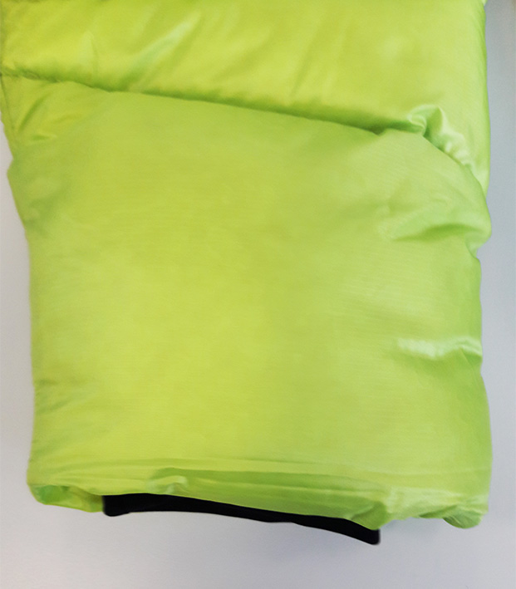
FINISHED PRODUCT
> LYCRA CUFF IS JUST A BIT VISIBLE
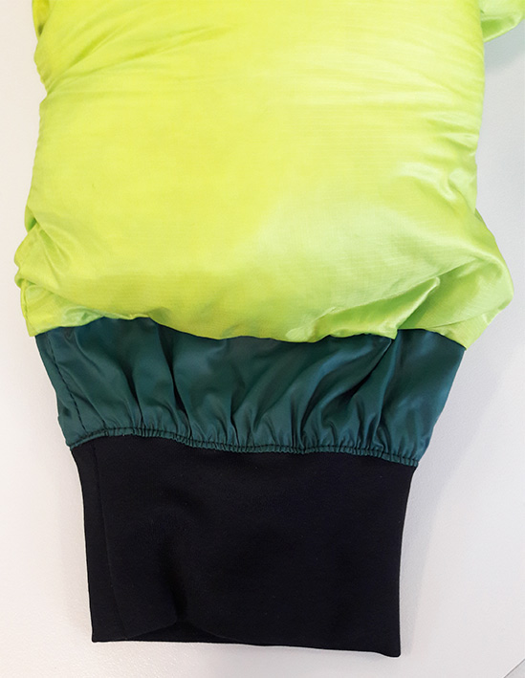
INNER CONSTRUCTION

 | î Please launch 1st sample asap.

JACKET SKETCH MEASUREMENTS (2)
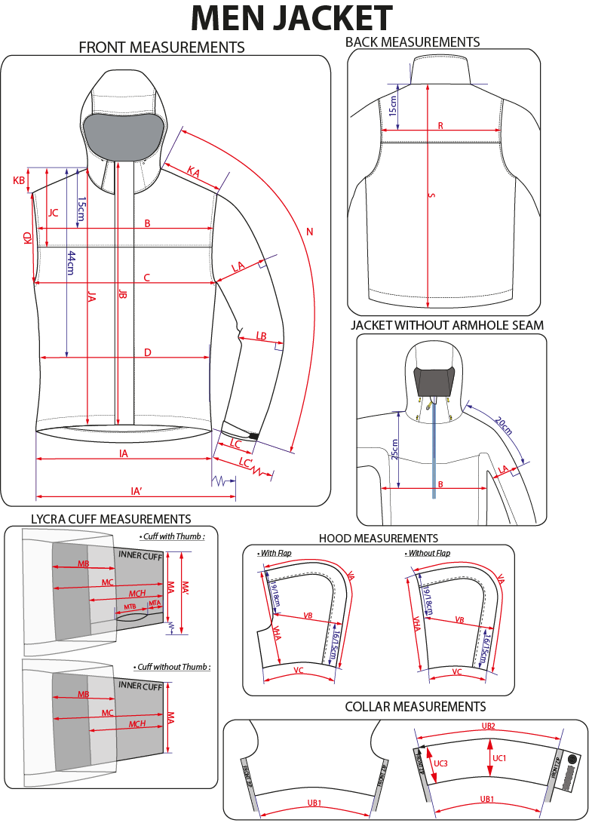
 |  | HOW TO TAKE MEASUREMENTS | FALL WINTER 19/20
MIV8620 |  | POBEDA II 3 IN 1 JKT M | DEVELOPPER | FRANÇOISE
INDEX | 1 |  | PRODUCT MANAGER | CAMILLE
DATE | 2018-04-24

